1. Title Page
[Instacart Grocery Basket Analysis]

Project Name: Instacart Grocery Basket Analysis
Date: June 12, 2023
Analyst Name: Crystal Osuna

Contents:
Population Flow
Consistency checks
Wrangling steps
Column derivations
Visualizations
Recommendations

Data Citations:
“The Instacart Online Grocery Shopping Dataset 2017”, Accessed from www.instacart.com/datasets/grocery-shopping-2017 via Kaggle on [date].

Note: The data used in this project is fabricated for the purpose of this project.

2. Population Flow
Title page

Population flow

Exclusion flag
Condition: max_order < 5
Obervations to be removed: 1440295
Final total count of order_products_all: 30964564

Orders_products_combined
Orders_products_merged
Orders_products_all

Total: 32,404,859
Total:32,434,489
Total: 32,404,859

1.) The grey boxes in the first row of the population flow represent the original data sets as they were when you downloaded them. In the Total fields you need to add the count of the rows when you imported the data set into Jupyter.
2.) The second row of boxes (coloured) represents the data sets after you manipulated them, e.g., removed missing values and duplicates. In the Total fields you need to add the count of the rows after conducting these operations. This offers a visual oveview of how the data flows throughout the data consistency checks.
3.) The third row, where also the arrows are coloured, represents the merges you performed between the datasets. In the Total fields you need to add the count of the rows in the merged datasets, so that you end up with the final dataset (in the red box). Keep in mind the final dataset should be without exclusions (based on the exclusion flag).

3. Consistency checks
 |  |  |  | Title page
Consistency checks

Dataset | Missing values | Missing values treatment | Duplicates
Orders dataset | There were 206209 missing values in 'days_since_prior_order'. | No action was taken since the null value meant that it was the customers first placed order with Instacart. | No duplicates.
Products dataset | 16 missing values in 'product name'. | Dropped the rows with missing values. | 5 duplicates dropped.
Products dataset | Values in the 'prirces' column were unrealistic and this was discovered in task 4.9. | Treatment was taken in notebook 4.8 replacing the unrealistic values with realistic prices and with NaN.
orders_products_prior | No missing values. | N/A | No duplicates.
customers | No missing values. | N/A | No duplicates.

4. Wrangling steps
 |  |  |  | Title page
Wrangling steps

Columns dropped | Columns renamed | Columns' type changed | Comment/Reason
eval set' from orders |  |  | No need for column.
 | order_dow' to 'orders_day_of_week' |  | A more clear name column.
 |  | order_id' to str | It is a unique identifier and not an integer.
 |  | user_id' to str | It is a unique identifier and not an integer.
First_name' and "Last_name' |  |  | For security concerns.
 | n_dependants' to 'number_of_dependants' |  | A more clear name column.
 | fam_status' to 'marital_status' |  | A more clear name column.

5. Column derivations
 |  |  |  |  | Title page

Column derivations and aggregations

In this tab you should add tables below that the frequences of flags/label variables that you produced after deriving them. NB: don't do this for continuous variables, only for flags.
Dataset | New column | Column/s it was derived from | Conditions | Value Counts
orders_products_merged | price_range_loc | prices | prices > 15 : High-range product prices <= 15 & prices > 5 : Mid-range product prices < 5 : Low-range product | High-range : 643582 Mid-range : 21860860 Low-range : 9900417
orders_products_merged | busiest_day | order_day_of_week | value == 0 : Busiest day value == 4 : Least busy else : Regularly busy | Busiest day : 6204182 Regularly busy : 22416875 Least busy : 3783802
orders_products_merged | busiest_days | order_day_of_week | value == 0 & 1 : Busiest day value == 4 & 3 : Least busy else : Regularly busy | Busiest day : 11864412 Regularly busy : 12916111 Least busy : 7624336
orders_products_merged | busiest_period_of_day | order_hour_of_day | value in [10, 11, 14, 15, 13, 12, 16, 9, 17] : Most orders value in [8, 18, 19, 20, 7, 21, 22] : Average orders else : Fewest orders | Most orders : 23205725 Average orders : 7909997 Fewest orders : 1289137
orders_products_merged | loyalty_flag | max_order (user_id, max(order_number)) | max_order > 40 : Loyal customer max_order <= 40 & max_order > 10 : Regular customer max_order < 10 : New customer | Loyal customer : 10284093 Regular customer : 15876776 New customer : 6243990
orders_products_merged | spent_flag | avg_price (user_id, mean(prices)) | avg_price > 10 : High spender avg_price < 10 : Low spender | High spender : 634245 Low Spender : 31770614
orders_products_merged | frequency_flag | median_days (user_id , median(days_since_last_order)) | median_days < 10 : Frequent customer median_days > 10 & median_days <= 20 : Regular customer median_days > 20 : Non-frequent customer | Frequent customer : 22796659 Regular customers : 6921472 Non-frequent customers : 2686728
Instacart_final | region | state | according to US Census | South : 10791885 West : 8292913 Midwest : 7597325 Northeast : 5722736
Instacart_final | order_flag | max_order (user_id, max(order_number)) | max_order < 5 : Low- activity customer max_order > 5 : High-activity customer | Low-activity customer : 1440295 High-activity customer : 30964564
Instacart_final | age_profile | age | age <= 40 : Young age > 40 & age < 65 : Middle-aged age >= 65 : Senior | Young : 11670046 Middle-aged : 12159729 Senior : 8575084
Instacart_final | income_profile | income | income <= 75000 : Low income income >= 75000 & income < 125000 : Mid income income >= 125000 : High income | Low income : 10442766 Mid income : 13331136 High income : 8630957
Instacart_final | diet | departments | Vegetarian = no orders from department 12, Vegan = 'no orders from departhemts 12 and 16', else: Non-vegetarian | Vegetarian : 8258813 Vegan : 383427 Non-vegetarian : 23762619
Instacart_final | pet_status | departments | No_pet = No orders from department 8 Else: Has_pet | No_pet : 28876718 Has_pet : 3528141
Instacart_final | dependants | number_of_dependants | number_dependants = 0 : No dependants number_dependants >= 1 : Has dependants | Has dependants : 24307356 No dependants : 8097503

6. Visualizations
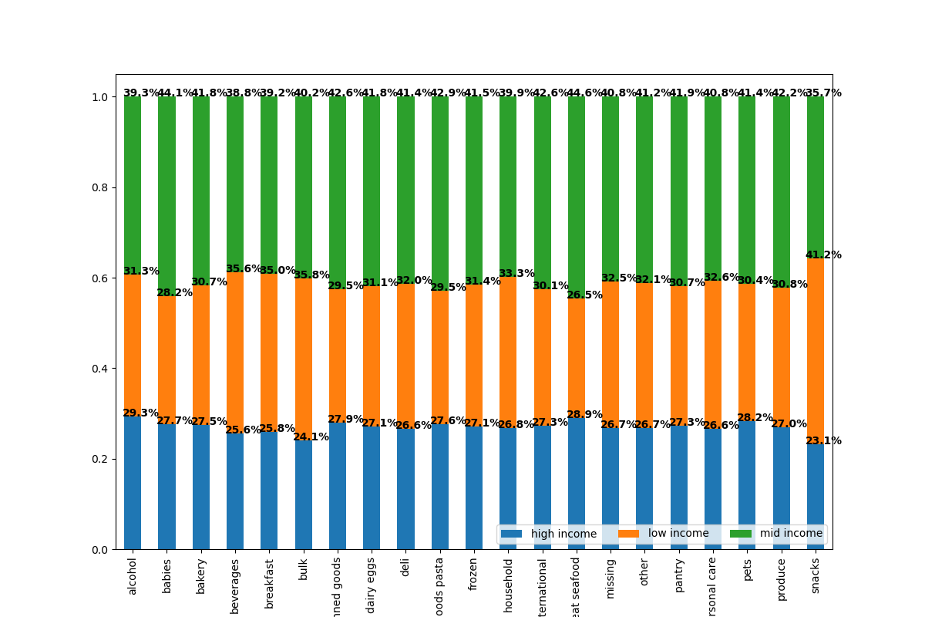
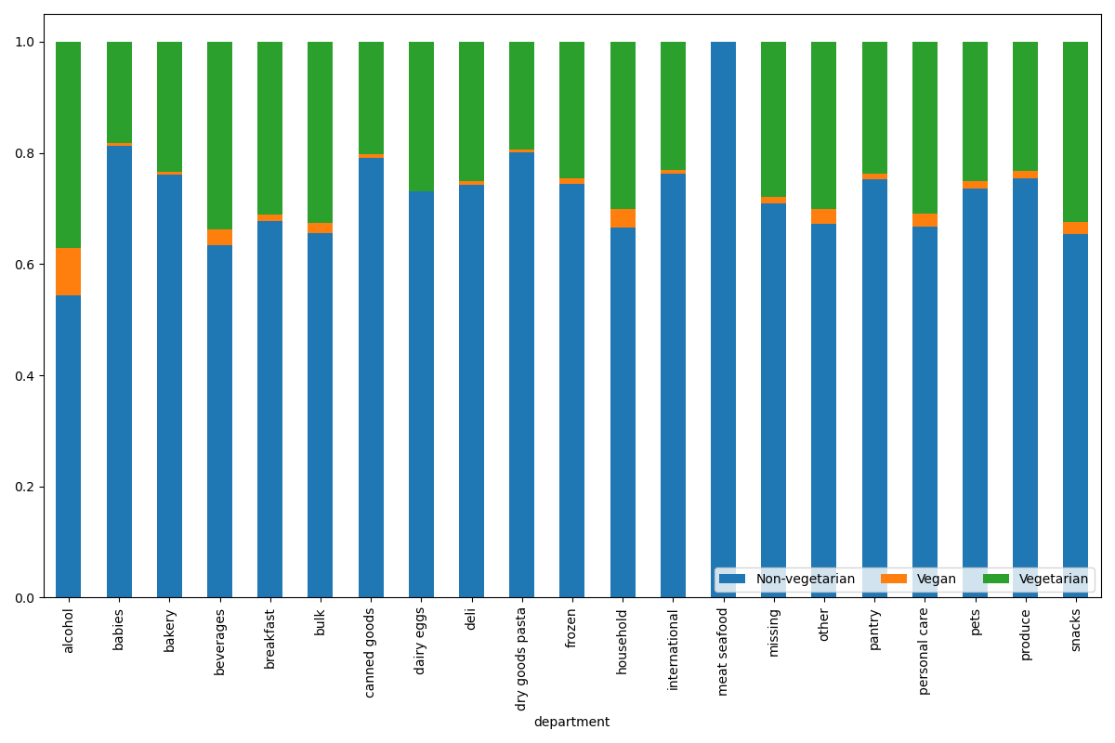
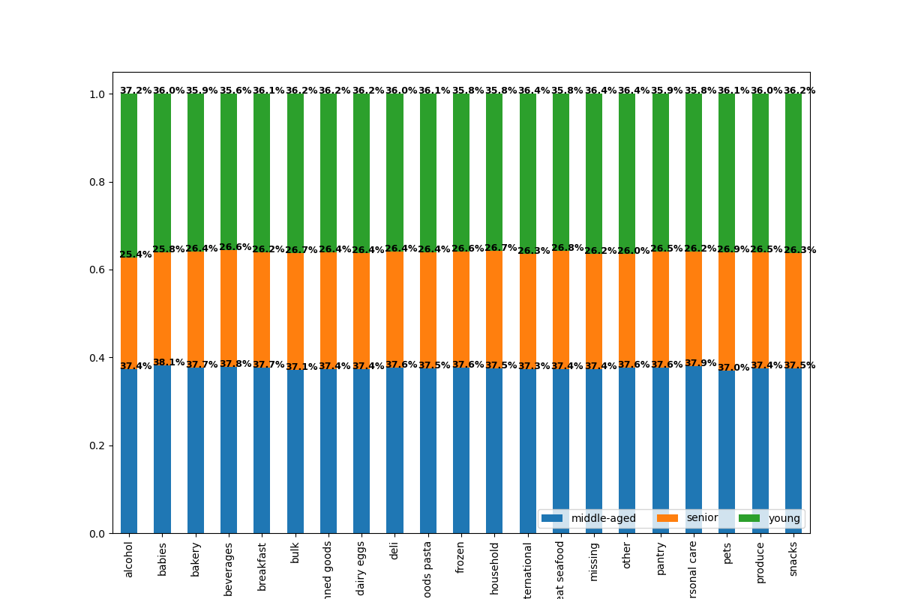
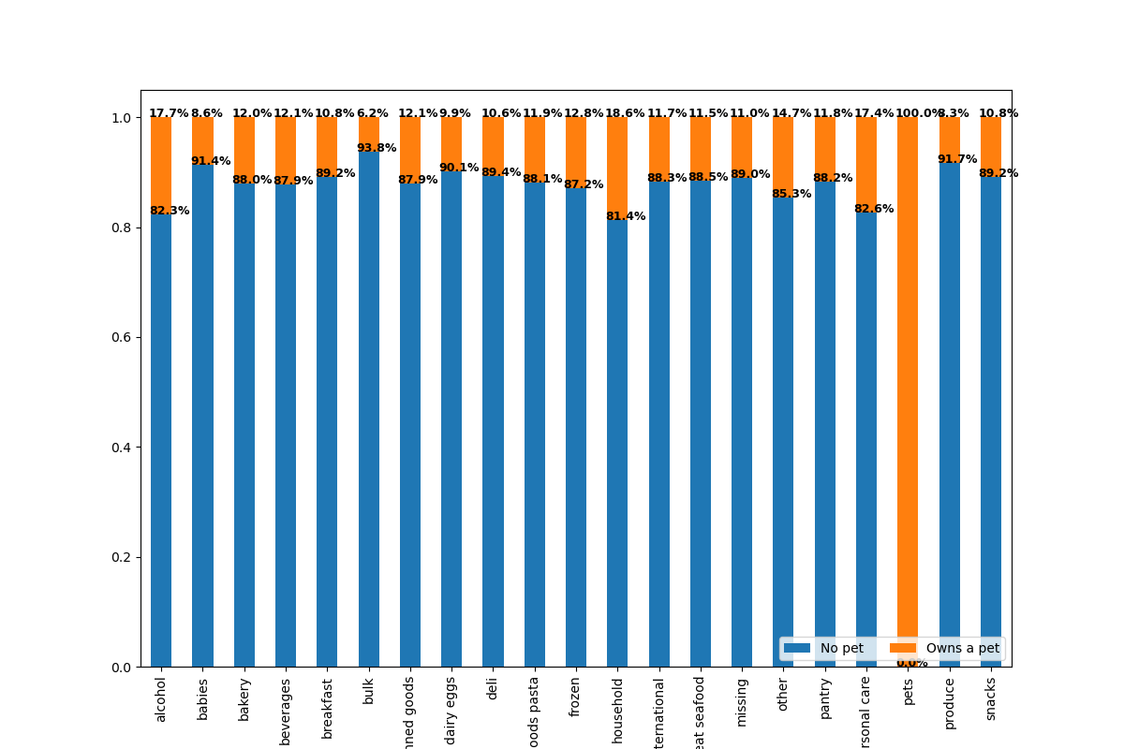
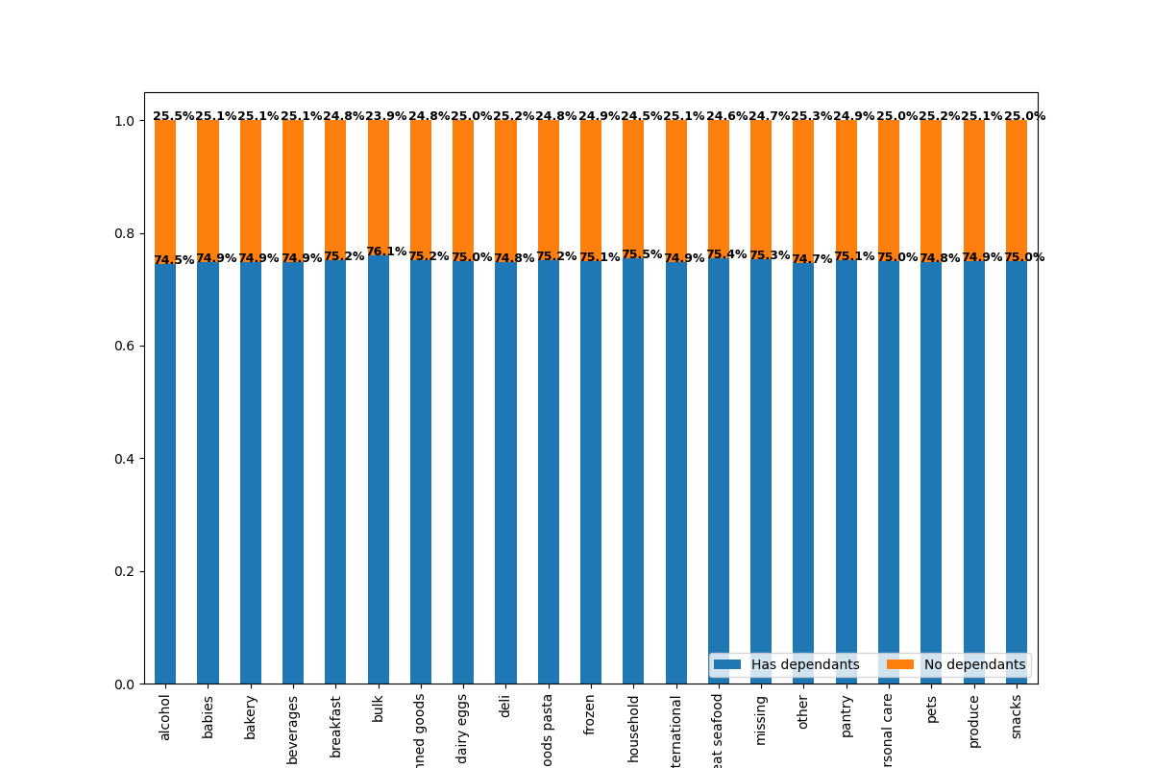
 |  | Title page

Visualisations

In this tab you should include all the visualtions from Exercises 4.9 and 4.10, alongside the questions from the project brief that they answer. Include any commentary on the relationship between different variables.

Key Questions :

1. What are the busiest days of the week and the busiest hours of the day?




This bar chart shows the busiest days in a week.
It shows that Saturday and Sunday are the busiest days while
the least busiest days are Wednesdays and Tuesdays.
The histogram displays the frequency of orders purchased by hours of the day.
It can be clearly seen that the busiest hours of the day is between 9:00 am and 5:00 pm.
 | 0 = Saturday
 | 1 = Sunday
 | 2 = Monday
 | 3 = Tuesday
 | 4 = Wednesday
 | 5 = Thursday
 | 6 = Friday

2 . Are there particular times of the day when people spend the most money?

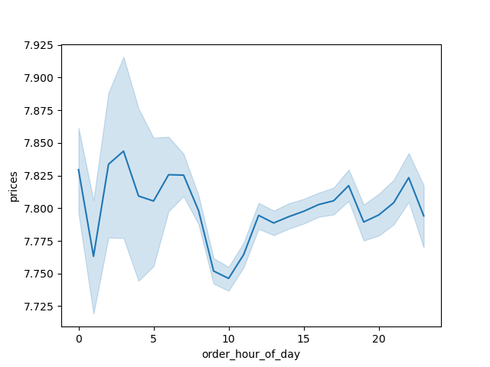

The line chart displays the average price of products ordered by the order hour of the day.
Since we know the busiest hours are between 9:00am to 5:00pm we can see in this line chart that it might be because prices are less than the average at those times.

3. Instacart has a lot of products with different price tags. Marketing and sales want to use simpler price range groupings to help direct their efforts.

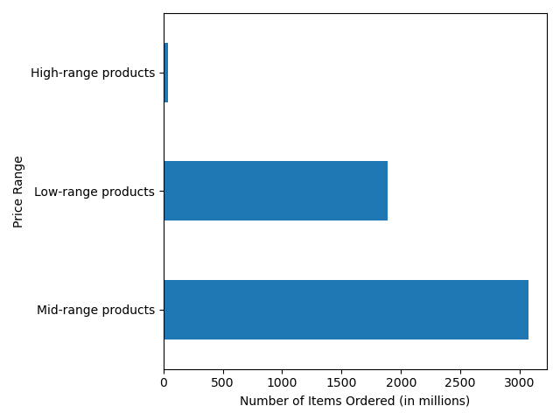

The products are grouped by the price ranges of High-range, Low-range, and Mid-range products.
The bar graph is plotted with a sample of the data and not the entire data.

4. Are there certain types of products that are more popular than others?

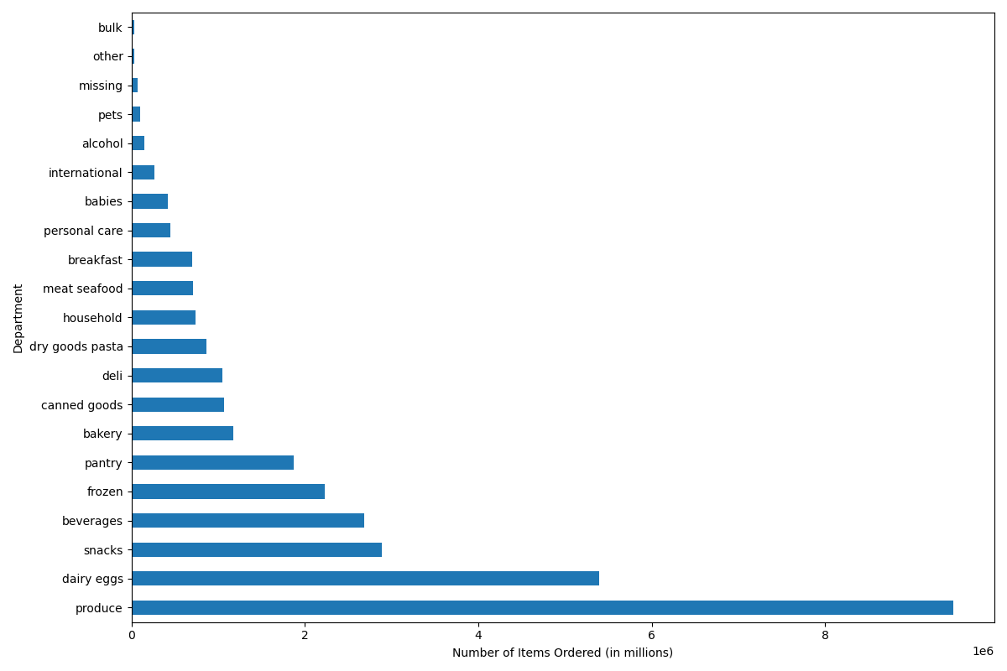

The bar graph shows the number of items ordered from each department.
Produce department has the highest number of orders then comes dairy eggs, snacks, etc.
Pets and alcohol departments having the least number of orders.

5.1 What’s the distribution among users in regards to their brand loyalty (i.e., how often do they return to Instacart)?



Customers are grouped by loyalty going from Loyal customers, Regular customers, and New customers.
Loyal customers are customers who have more than 40 orders. Regular customers are customers who have between 10 - 40 orders. New customers are those with less than 10 orders.
The majority of users are regular customers.

Regular Customer
Loyal Customer
New Customer

5.2 Are there differences in ordering habits based on a customer’s loyalty status?

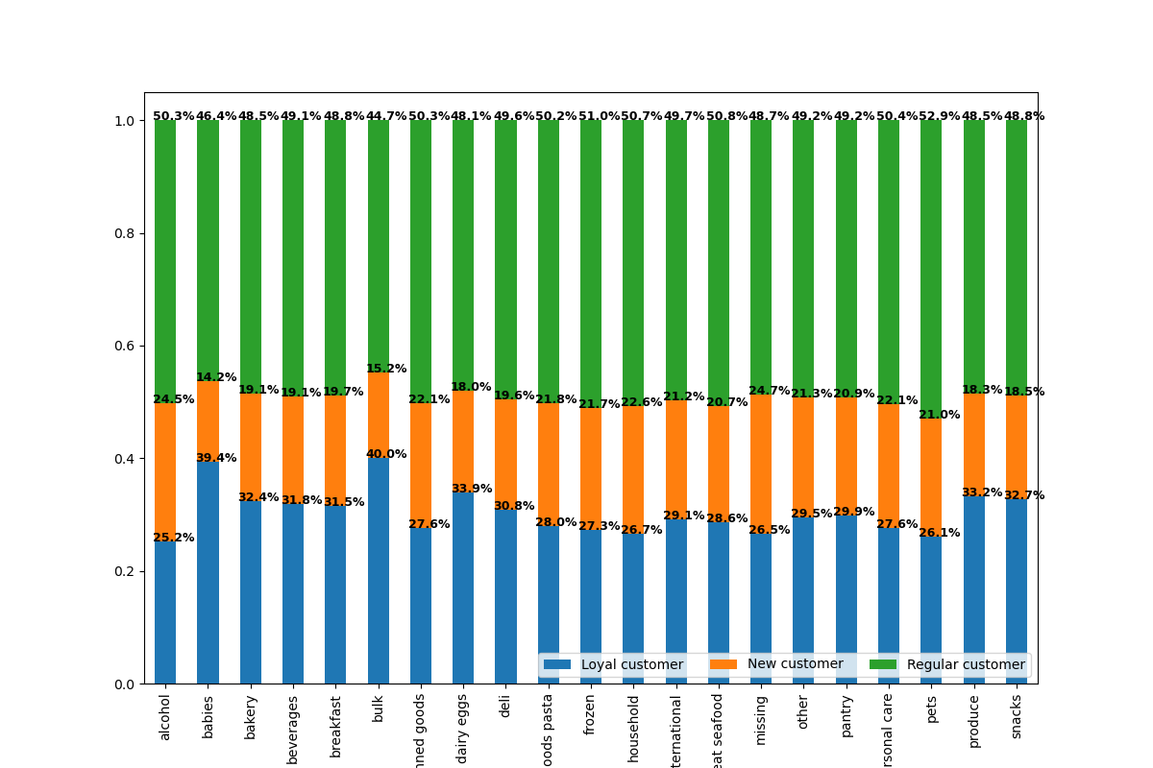

The stacked bar chart shows the ordering habits based on the three customer's loyalty status.
Regular customers in fact order the highest percentage of products from each of the different departments compared to Loyal Customers or New Customers.

5.3 Are there differences in ordering habits based on a customer’s region?
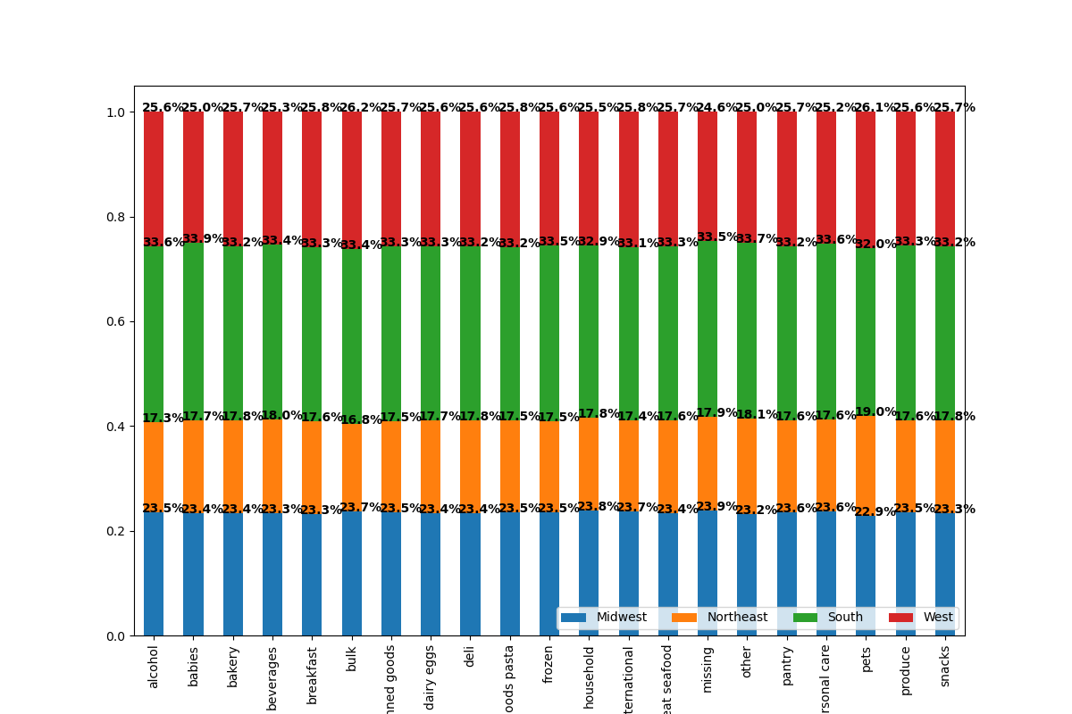

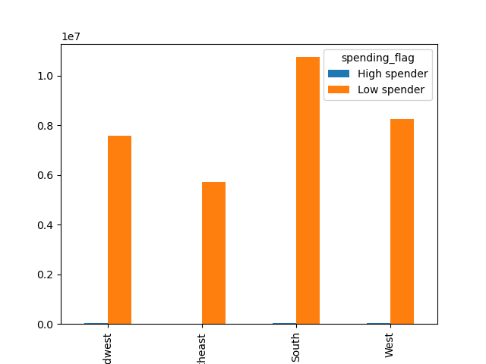

The bar graph shows the differneces between high spenders and low spenders in each region.
Low spenders dominate each region.
The stacked bar chart shows the percentage of products ordered for each department for each region.
The highest number of products are ordered in the South and Northeast having the lowest number of products ordered.

5.4 Is there a connection between age and family status in terms of ordering habits?


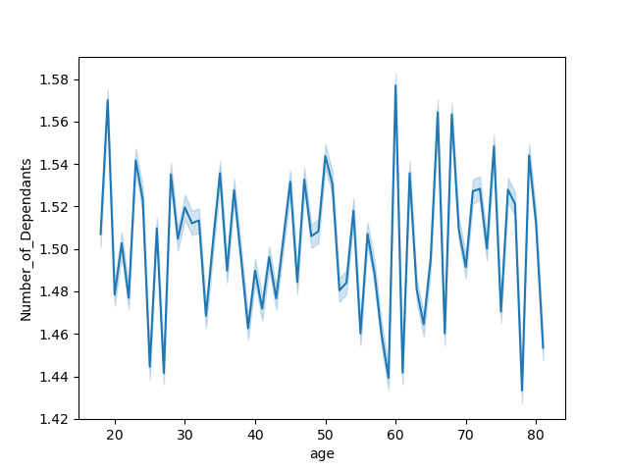

The scatterplot shows the relationship between the age and income.
Most customers are making 200k or less. Between ages 20 to 40 the top income being 400k and from ages 41 to 80 up to 600k.
The line chart shows the relationship between the age of the customer and the number of dependants they have.
There doesn't seem to have a relationship between the two variables.

5.5 What different classifications does the demographic information suggest? Age? Income? Certain types of goods? Family status?

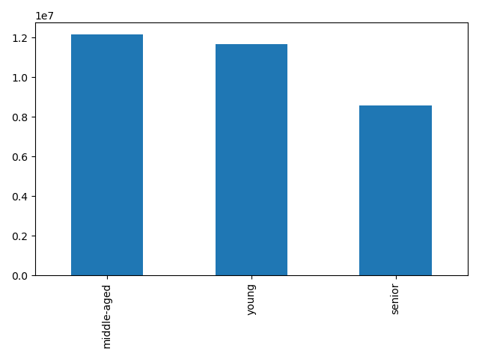

The bar chart shows the different age groups.
Young : less than 40 years.
Middle-aged : more than 40 but less than 65
Senior: more than 65 years.
Middle-aged being the top.

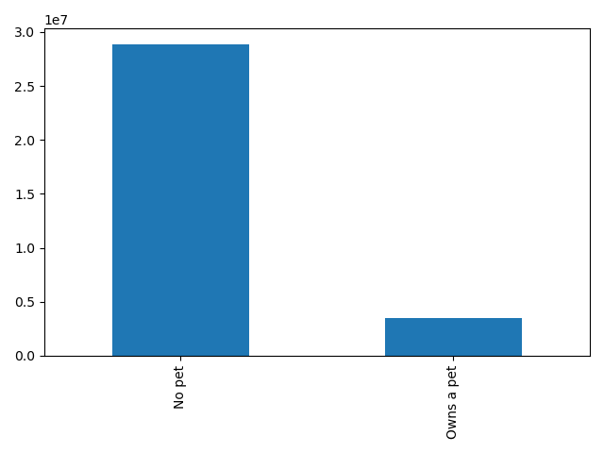

The bar chart compares customers who have pets and those who don't.
Most having no pets.

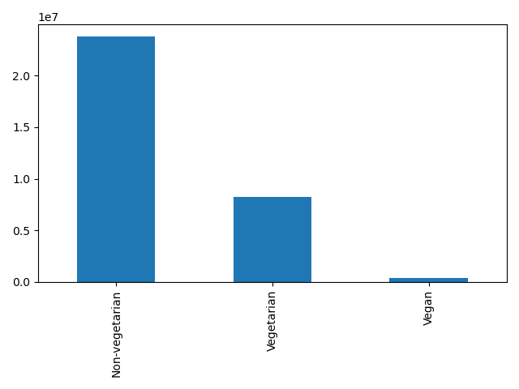

The bar chart shows the different diet groups.
Most being Non-vegetarian.

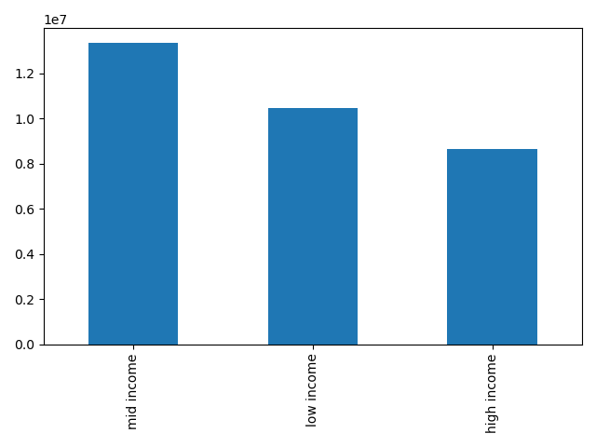

The bar chart shows the different income groups.
Low income: less than $75000.
Mid income: more than $75000 but less than $125000
High income:more than $125000
Most Instacart customers are customers with mid income.
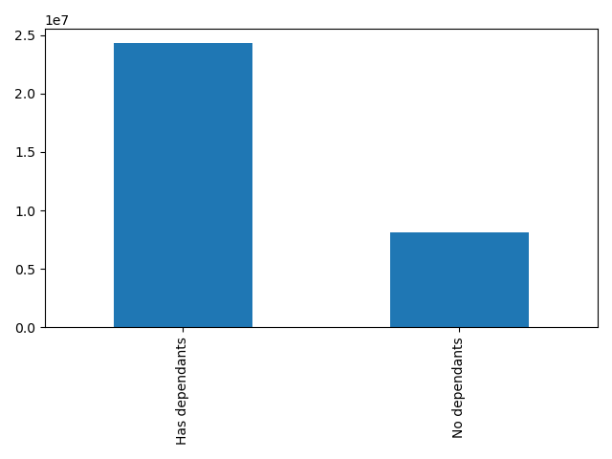

The bar chart compares the customers with dependants and no dependants.
Most customers do have dependants.

5.6 What differences can you find in ordering habits of different customer profiles?

The following visualizations show the ordering patterns of customer profiles (age, income, diet preferences, pet status, number of dependants ) in the different regions.

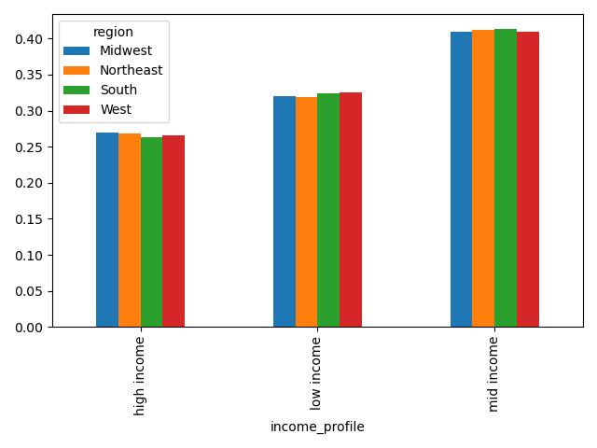
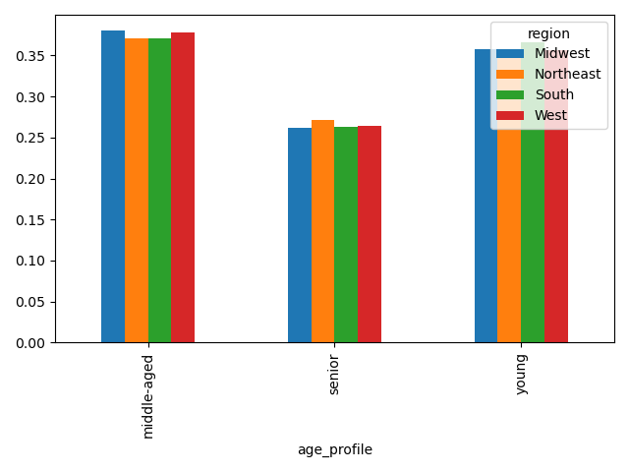

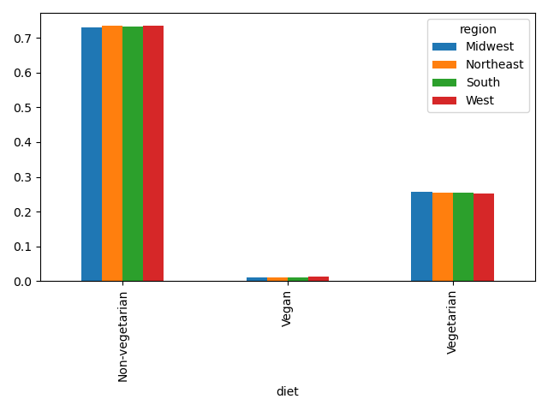
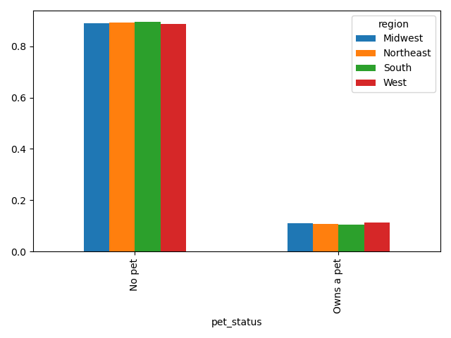

The following visualizations show the ordering patterns of customer profiles (age, income, diet preferences, pet status, number of dependants ) in different departments.

7. Recommendations
 | Title page

Recommendations

In this tab you should include any recommendations you would made to Instcart in terms of their marketing strategy based on the questions posed in the brief. Every key question has been covered in the Tasks of the Exercises - here you need to add an item - a visualisation or table/crosstable that is showing the answer in the data, acompanied by a comment from you. Please, list the questions below and add the answer underneath.

Question
1. What are the busiest days of the week and the busiest hours of the day?

 |  |  |  |  | Answer
 |  |  |  |  | Saturday and Sunday are the busiest days while the busiest hours of the day are between 9:00am and 5:00pm.
 |  |  |  |  | Instacart should advertise more discounts for the weekdays in order to increase activity during the least busy days.

 |  |  |  | 0 = Saturday
 |  |  |  | 1 = Sunday
 |  |  |  | 2 = Monday
 |  |  |  | 3 = Tuesday
 |  |  |  | 4 = Wednesday
 |  |  |  | 5 = Thursday
 |  |  |  | 6 = Friday

2. Are there particular times of the day when people spend the most money?

 |  |  |  |  | Answer
 |  |  |  |  | There is a peak in prices at around 4:00am. This will mean people will spend more money if they use Instacart earlyin the morning.
 |  |  |  |  | Instacart should advertise high-priced items in the morning.

3. Instacart has a lot of products with different price tags. Marketing and sales want to use simpler price range groupings to help direct their efforts.

 |  |  |  |  | Answer
 |  |  |  |  | I created 3 different price groups in order to see where to direct marketing and sales efforts.
 |  |  |  |  | Since most orders are from the products that are mid-range prices. Markeing can direct their efforts to increase orders from high-range products.

4. Are there certain types of products that are more popular than others? The marketing and sales teams want to know which departments have the highest frequency of product orders.

 |  |  |  |  | Answer
 |  |  |  |  | The top two departments with the highest frequency of orders are produce and dairy eggs.
 |  |  |  |  | Produce being in the top by a large amount.

5.1 What’s the distribution among users in regards to their brand loyalty (i.e., how often do they return to Instacart)?

 |  |  |  | Answer
 |  |  |  | The distribution of loyalty among users is not too bad as most users are regulars then come the loyal customers lastly are new customers.
 |  |  |  | For loyal customers there should be a loyal reward program to show appreciation. Then, offering regular customers incentives to come back they will become loyal customers in no time.

Regular customers
Loyal customers
New customers

5.2 Are there differences in ordering habits based on a customer’s loyalty status?

 |  |  |  | Answer
 |  |  | Most ordered products: | For regular customers they like pet products, frozen products, or meats and seafoods prducts.
 |  |  |  | For loyal customers baby products, bulk products, and dairy eggs products.
 |  |  |  | For new customers alcohol, household items, and personal care products.

5.3 Are there differences in ordering habits based on a customer’s region?

 |  |  |  |  |  | Answer
 |  |  |  |  |  | Ordering habits between regions seem to be the same.

5.6 What differences can you find in ordering habits of different customer profiles?

 |  | Answer
 |  | Most customers are non-vegetarian which might mean Instacart is not selling many vegan friendly porducts.
 |  | If Instacart sells more vegan products this huge ordering difference might change.

